Instructions
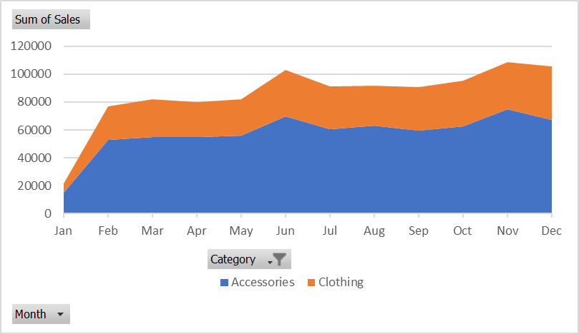
Instructions
Have a look at the Sales Summary workbook. It is very easy to read but we cannot use this data to create PivotTables or Pivot Charts. Use Power Query to import the data and convert it to a form more suitable for data analysis.

1) | Create a query to get the data from the Sales Summary Workbook.
2) | Remove any unnecessary rows so that the data headers are in the top row and then convert top row to headers
3) | Ensure that the Category is filled down.
4) | Remove the Monthly Average column.
5) | Unpivot the data and adjust the column names so it looks like this (not all rows shown):
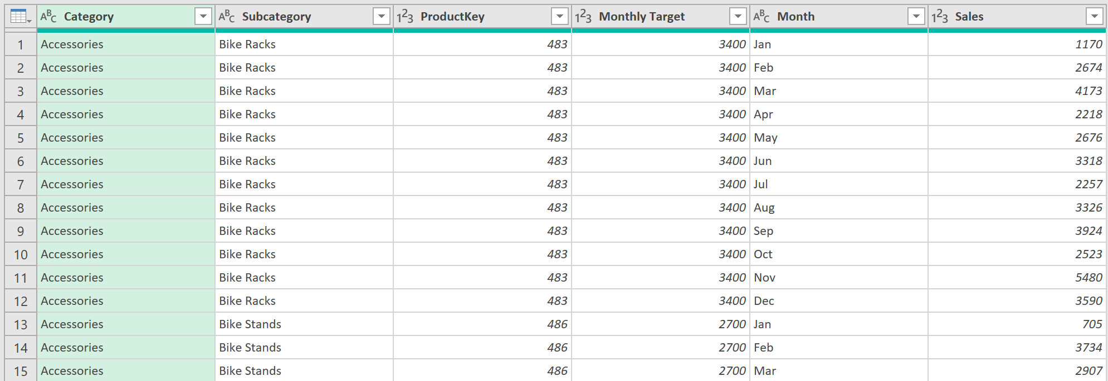

6) | Add a column called % Target Achieved that divides Sales by Monthly Target and change the data type to Percentage.
7) | Close and Load the query to the A3 in the Sales Data sheet.
8) | Using the Sales Data query results, create a pivot table that returns Average % Target Achieved by Subcategory.
 | Which Subcategory performed best (highest %)? | Shorts | 1
9) | Create another PivotTable to show total sales by Category and Month. Filter the Pivot to only show Accessories and Clothes.
 | What was the total combined sales for Accessories and Clothes for February? | 76645 | 1
10) | Create a stacked area Pivot Chart to visualise sales trends in the PivotTable. It should look like this:

average%target
Row Labels | Average of target achieved | Sum of Sales | Column Labels
Bike Racks | 91% | Row Labels | Accessories | Clothing | Grand Total
Bike Stands | 121% | Jan | 14811 | 6823 | 21634
Bottles and Cages | 86% | Feb | 52759 | 23886 | 76645
Caps | 109% | Mar | 54908 | 27238 | 82146
Cleaners | 116% | Apr | 54740 | 25021 | 79761
Fenders | 102% | May | 56046 | 26007 | 82053
Gloves | 120% | Jun | 69833 | 33325 | 103158
Helmets | 122% | Jul | 60494 | 30478 | 90972
Hydration Packs | 88% | Aug | 63082 | 28511 | 91593
Jerseys | 95% | Sep | 59743 | 30961 | 90704
Mountain Bikes | 108% | Oct | 62709 | 32393 | 95102
Road Bikes | 116% | Nov | 74855 | 33653 | 108508
Shorts | 90% | Dec | 67371 | 38253 | 105624
Socks | 123% | Grand Total | 691351 | 336549 | 1027900
Tires and Tubes | 92%
Touring Bikes | 90% | combined sales for february is 76645
Vests | 101%
(blank) | 101%
Grand Total | 104%

socks has the highest percentage

Subcategory Targets
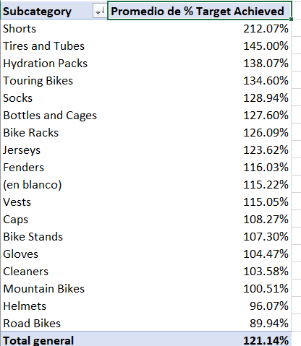

Sales Trends
